Summary
DrivAer
 |  | TEST DATA EXCHANGE

COMPANY |  | DATE |  |  | CONTACT
DrivAer Configuration |  |  |  |  | EMAIL

Tires |  | Wheels and Track |  |  | Geometrical Data
Wheel Type | OC DrivAer | Track Front [mm] | 1520 |  | Length [mm] | 4613
Wheel Type (Comments) |  | Track Rear [mm] | 1527 |  | Width [mm] | 1820
 |  | Tires Size Front |  |  | Height [mm] | 1421
 |  | Tires Size Rear |  |  | Wheelbase [mm] | 2786

Cooling Package |  | Cooling Intakes / With Active Shutters |  |  | Ride Heights from Ground to Wheel-Arch
Heat Exchanger (HX) | Ford HX1 | Upper Grill | Open |  | Front Ride Height [mm]
HX Pressure Drop A: Dp = A*v + B*v^2 B: |  | Lower Grill | Open |  | Rear Ride Height [mm]
 |  | Cooling Package (CAD or Photo) |  |  | Wheels (CAD or Photo)
HX x-Position [mm]
HX Thickness [mm]
Fan Shroud x-Pos. [mm]
Sealing | Fully sealed
Leakage Area [mm2]
Upperbody (CAD-Data or Photo) |  |  |  | Underbody (CAD-Data or Photo)

Test Facility & Vehicle Setup
Test Facility |  | Windspeed [kph] |  |  | Front View
Data Correction | No | Road Simulation | Static
Blockage |  | YAW Angle
Boundary Layer Treatment | Suction | Model Mounting
Model Scale
REMARKS (e.g. deviations from Baseline OC DrivAer model)

Test Data
 | Standard | Mock-Up Cooling Intakes [D] | Additional Test Data
Drag Cx [-]
Frontal Aera A [m2]
Front Lift Czf [-]
Rear Lift Czr [-]
Radiator Mass Flow [kg/s]
Underhood Ref Pressure (#415) (Cp) [-]:

Wheel-house Ref Pressure (#566) (Cp) [-]:

example
DrivAer
 |  | TEST DATA EXCHANGE

COMPANY | FORD | DATE | 2017-07-06 |  | CONTACT | Karel Chalupa
DrivAer Configuration | N_EB_WoM_wW_WoL |  |  |  | EMAIL | chalupa@ford.com

Tires |  | Wheels and Track |  |  | Geometrical Data
Wheel Type | OC DrivAer | Track Front [mm] | 1520 |  | Length [mm] | 4613
Wheel Type (Comments) | - Rigid (no tire deformation) | Track Rear [mm] | 1527 |  | Width [mm] | 1820
 |  | Tires Size Front | 215/55 R16 |  | Height [mm] | 1421
 |  | Tires Size Rear | 215/55 R16 |  | Wheelbase [mm] | 2786

Cooling Package |  | Cooling Intakes / With Active Shutters |  |  | Ride Heights from Ground to Wheel-Arch
Heat Exchanger (HX) | Ford HX1 | Upper Grill | Open |  | Front Ride Height [mm] | 686
HX Pressure Drop A: Dp = A*v + B*v^2 B: | 5.78 | Lower Grill | Open |  | Rear Ride Height [mm] | 682
 | 17.31 | 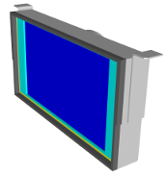 Cooling Package (CAD or Photo) |  |  | 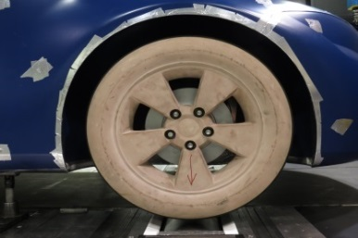 Wheels (CAD or Photo)
HX x-Position [mm] | 35
HX Thickness [mm] | 27
Fan Shroud x-Pos. [mm] | 209.44
Sealing | Fully sealed
Leakage Area [mm2] | 0
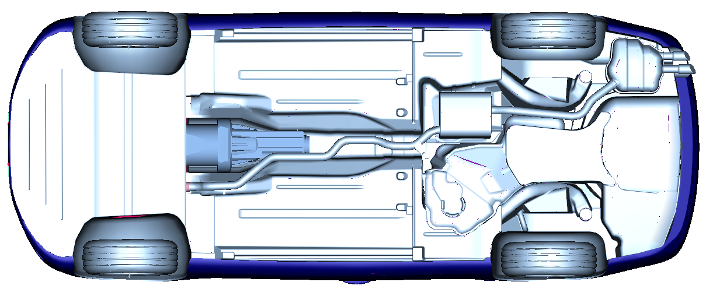 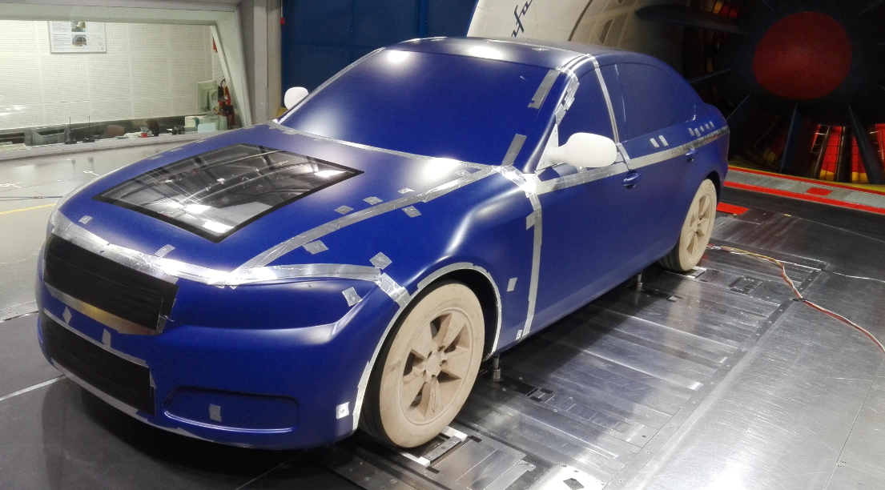 |  |  |  | Underbody (CAD-Data or Photo)

Test Facility & Vehicle Setup
Test Facility | PININFARINA | Windspeed [kph] | 140 |  | 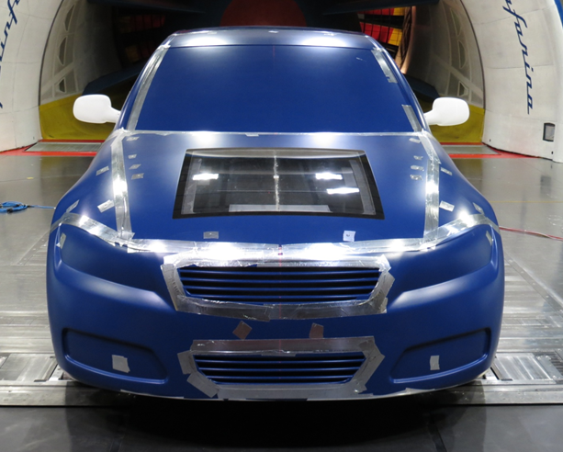 Front View
Data Correction | No | Road Simulation | T-Belt
Blockage | 19.70% | YAW Angle | 0°
Boundary Layer Treatment | Scoop + Tang. Blowing | Model Mounting | Struts
Model Scale | 1:1
REMARKS (Deviations from Baseline OC DrivAer model) | - with mirrors - wheel house air exit open

Test Data
 | Standard | Mock-Up Cooling Intakes [D] | Additional Test Data
Drag Cx [-] | 0.263 | -0.010 | 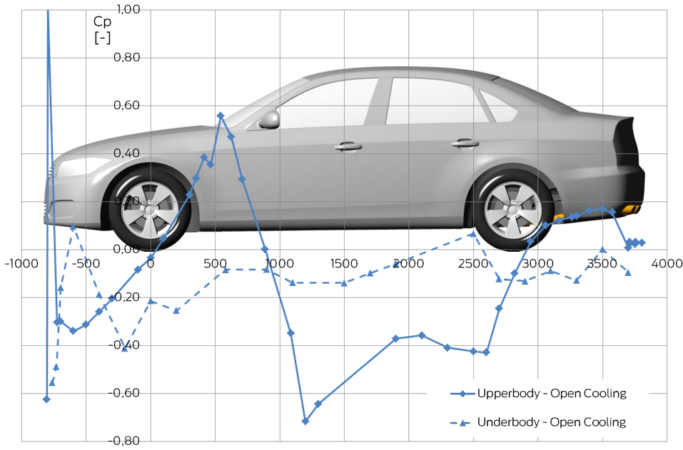
Frontal Aera A [m2] | 2.17
Front Lift Czf [-] | 0.006 | -0.033
Rear Lift Czr [-] | 0.083 | 0.031
Radiator Mass Flow [kg/s] | -
Underhood Ref Pressure (#415) (Cp) [-]: | -0.058 | -0.190

Wheel-house Ref Pressure (#566) (Cp) [-]: | -0.089 | -0.057

