Summary
DrivAer
 |  | CFD DATA EXCHANGE

COMPANY |  | DATE |  | CONTACT
DrivAer Confiuration |  |  |  | EMAIL

CFD Solver |  | Mesh Settings |  | Tunnel Size
Vendor |  | Mesh Type | Lattice | WT length upstream [m]
Software |  | Minimum Cell Size [mm] |  | WT length downstream [m]
Version |  | Total Number Cells [x106] |  | WT width / height [m]

Flow Boundary Conditions |  | Turbulence Settings |  | Vehicle Options
Yaw Angle [deg] |  | Turbulence Model Class | DES | Bodystyle | Notchback
Vehicle Speed [ms-1] |  | Turbulence Model |  | Mirrors | OCDA
Density [kg m-3] |  | Near wall treatment | Hybrid | Front Ride Height (mm)
Absolute Ref. Pressure [Pa] |  | Compressible Flow | No | Rear Ride Height (mm)
Solution Method | NS-Steady State – Avg.

Heat Exchanger/Cooling Package Data |  | Cooling Configuration |  | Vehicle Configuration
Heat Exchanger | Ford HX1 | Cooling Package (CAD) |  | UPPER COOLING INTAKE | Open
HX Pressure Drop A: Dp = A*v + B*v^2 B: |  |  |  | LOWER COOLING INTAKE | Open
 |  |  |  | Wheel Type | OC DrivAer
HX x-Position [mm] |  |  |  | Wheel Type (Comments) | - rigid, no deformation
HX Thickness [mm]
Fan Shroud x-Pos. [mm] |  |  |  | Road Simulation | Static
Sealing | Fully sealed |  |  | Rim Simulation | Static
Leakage Area (mm2) |  |  |  | Tire Simulation | Static
CFD Model
COMMENTS

CFD Results
Drag (Cx) [-] |  | Radiator Mass Flow [kg/s] |  | Wheelhouse LHS Flow [kg/s]
Frontal Area [m2] |  | Upper Grill Flow [kg/s] |  | Wheelhouse RHS Flow [kg/s]
Front Lift (Czf) [-] |  | Lower Grill Flow [kg/s] |  | Tunnel Flow [kg/s]
Rear Lift (Czr) [-]
Underhood Ref Pressure (#415) (Cp) [-]: |  |  | Wheel-house Ref Pressure (#566) (Cp) [-]:
Upperbody Centerline Pressure (Cp) |  |  | Underbody Centerline Pressure (Cp)
Upperbody Centerline Pressure (Cp) |  |  | Underbody Centerline Pressure (Cp)

example
DrivAer
 |  | CFD DATA EXCHANGE

COMPANY | FORD | DATE | 2017-05-09 | CONTACT | B Luneman
DrivAer Confiuration | N_EB_WoM_wW_WoL |  |  | EMAIL | bluneman@ford.com

CFD Solver |  | Mesh Settings |  | Tunnel Size
Vendor | CD-adapco | Mesh Type | trim | WT length upstream [m] | 20
Software | StarCCM+ | Minimum Cell Size [mm] | 2.5 | WT length downstream [m] | 40
Version | 9.04.009 | Total Number Cells [x106] |  | WT width / height [m] | 22 / 9

Flow Boundary Conditions |  | Turbulence Settings |  | Vehicle Options
Yaw Angle [deg] | 0 | Turbulence Model Class | DES | Bodystyle | Notchback
Vehicle Speed [ms-1] | 38.889 | Turbulence Model | k-w SST | Mirrors | Yes
Density [kg m-3] | 1.18415 | Near wall treatment | Hybrid | Front Ride Height (mm) | 686
Absolute Ref. Pressure [Pa] | 101325 | Compressible Flow | No | Rear Ride Height (mm) | 682
Solution Method | Transient - Avg.

Heat Exchanger/Cooling Package Data |  | Cooling Configuration |  | Vehicle Configuration
Heat Exchanger | Ford HX1 | 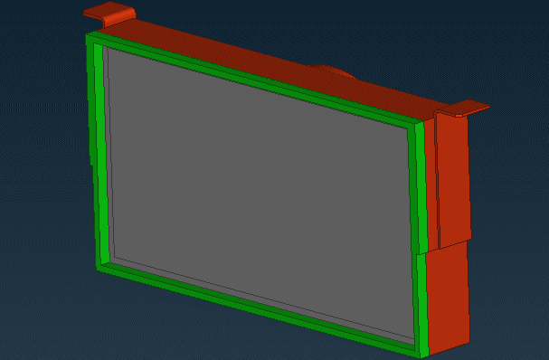 Cooling Package (CAD) |  | UPPER COOLING INTAKE | Open
HX Pressure Drop A: Dp = A*v + B*v^2 B: | 5.78 |  |  | LOWER COOLING INTAKE | Open
 | 17.31 |  |  | Wheel Type | OC DrivAer
HX x-Position [mm] | 35 |  |  | Wheel Type (Comments) | - rigid, no deformation
HX Thickness [mm] | 27
Fan Shroud x-Pos. [mm] | 209.44 |  |  | Road Simulation | No
Sealing | Fully Sealed |  |  | Rim Simulation | Static
Leakage Area (mm2) | 0 |  |  | Tire Simulation | Static
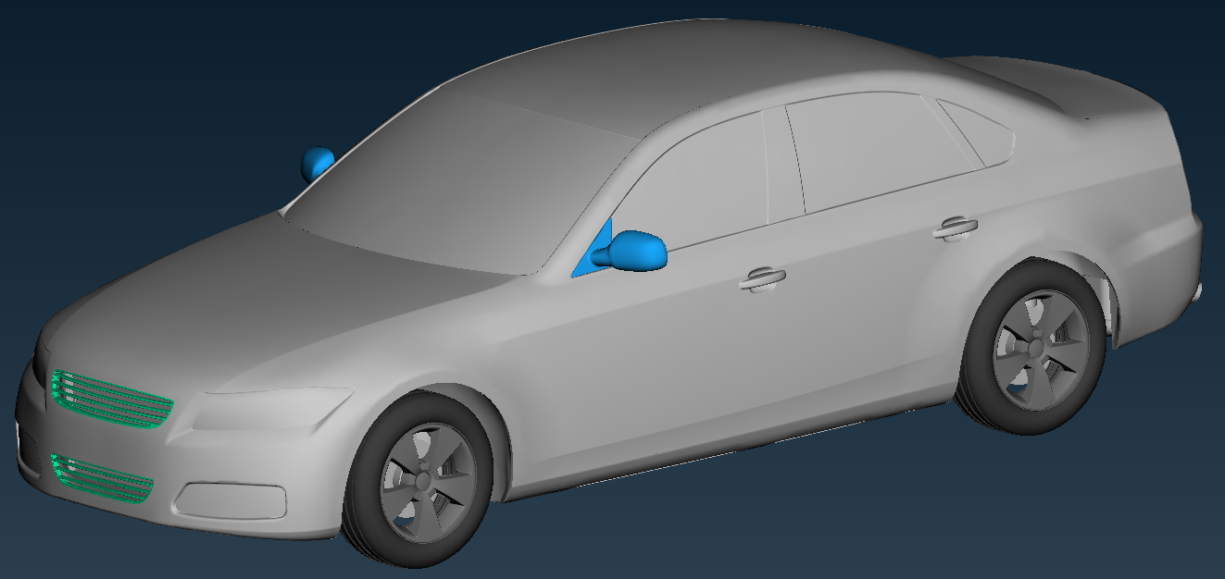 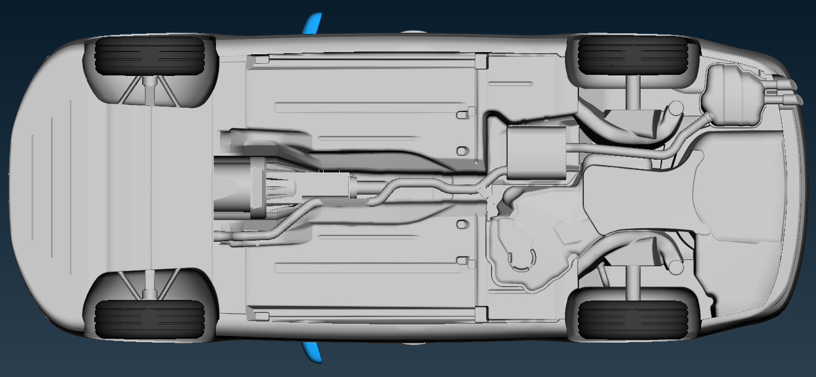 CFD Model
COMMENTS | mirrors included

CFD Results
Drag (Cx) [-] | 0.284 | Radiator Mass Flow [kg/s] | 1.399 | Wheelhouse LHS Flow [kg/s] | 0.400
Frontal Area [m2] | 2.170 | Upper Grill Flow [kg/s] | 0.431 | Wheelhouse RHS Flow [kg/s] | 0.331
Front Lift (Czf) [-] | -0.029 | Lower Grill Flow [kg/s] | 0.971 | Tunnel Flow [kg/s] | 0.659
Rear Lift (Czr) [-] | 0.085
Underhood Ref Pressure (#415) (Cp) [-]: |  | -0.091 | Wheel-house Ref Pressure (#566) (Cp) [-]: |  | -0.174
Upperbody Centerline Pressure (Cp) |  |  | Underbody Centerline Pressure (Cp)
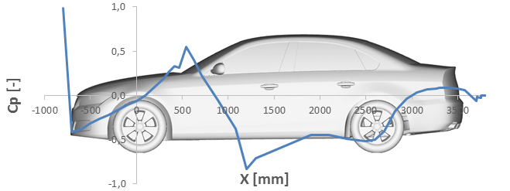 |  |  | 